Sheet1
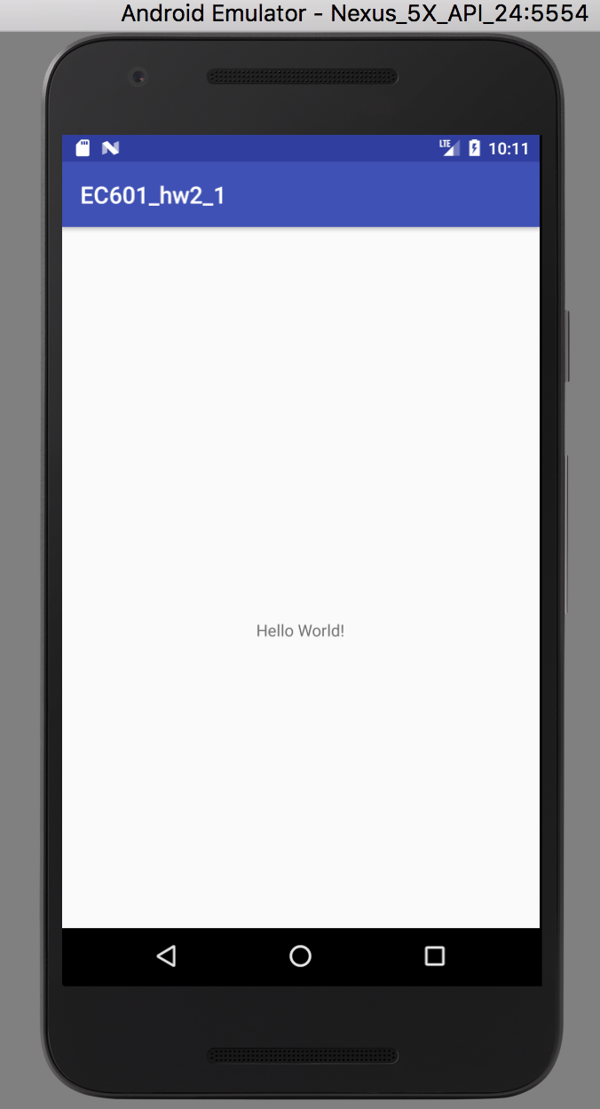
Date and Time of Test Run |  |  | 12/08/2017 16:13
Environment Description |  |  | Nexus 5X API 24
SW Version |  |  | Android Studio 3.0
Notes |  |  | Android Emulator

Test ID | Test Scenario | Components Involved | Platform | Test StepsTest Description (Steps) | Actual Results | Pass/Fail | Priority
TEST01 | open app | None | Nexus 5X API 24(Android Simulator) | Click 'EC601_hw2_1' icon. | App opened sccessfully. | Pass | Medium
TEST02 | message display on screen | Hello world! | Nexus 5X API 24(Android Simulator) | Check is the message shown on the screen or not. | Hello world! shown on screen | Pass | Critical High Medium Low
TEST03 | close app | None | Nexus 5X API 24(Android Simulator) | Close the app. | Close the app. | Pass | Medium

